Sheet1
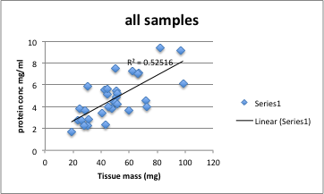
Sample | Paired with? | pCO2 | Extraction | Date extracted | Mass | Mean Conc. (mg/ml) | Notes
278 |  | 400 | TL | 2013-11-13 | 30.3 | 2.235 | tested 11/21
38 | 37 | 2800MS | TL | 2013-11-18 | 25.6 | 2.78 | tested 11/21
373 | 374 | 1000 | TL | 2013-11-13 | 23.3 | 2.7965
17 |  | 2800 | TL | 2013-11-18 | 31.1 | 2.8325
41 | 40 | 2800MS | TL | 2013-11-18 | 24.5 | 3.7995
44 | 43 | 2800MS | TL | 2013-11-18 | 47.8 | 4
47 | 46 | 2800MS | TL | 2013-11-18 | 48.7 | 4.445
56 |  | 2800 | TL | 2013-11-18 | 51.1 | 4.908
367 | 368 | 1000 | TL | 2013-11-13 | 44.3 | 5.097 | fell on floor
59 |  | 2800 | TL | 2013-11-18 | 51.5 | 5.182
34 |  | 2800MS | TL | 2013-11-18 | 50.8 | 5.456
236 |  | 400 | TL | 2013-11-13 | 42.5 | 5.516
379 | 380 | 1000 | TL | 2013-11-13 | 44.6 | 5.6035
233 |  | 400 | TL | 2013-11-13 | 30.3 | 5.868
53 |  | 2800 | TL | 2013-11-18 | 65.9 | 7.015
14 |  | 2800 | TL | 2013-11-18 | 67 | 7.121
376 | 377 | 1000 | TL | 2013-11-13 | 62.6 | 7.255
266 |  | 400 | TL | 2013-11-13 | 50.3 | 7.497
28 |  | 2800MS | TL | 2013-11-18 | 96.8 | 9.143
50 |  | 2800 | TL | 2013-11-18 | 82.3 | 9.396 | tested 11/21
281 |  | 400 | TL
287 |  | 400 | TL
362 | 361 | 1000 | TL
368 | 367 | 1000 | TL
374 | 373 | 1000 | TL
380 | 379 | 1000 | TL
385 | 386 | 1000MS | TL
389 | 390 | 1000MS | TL
392 | 393 | 1000MS | TL
395 | 396 | 1000MS | TL
398 | 399 | 1000MS | TL
401 | 402 | 1000MS | TL
404 | 405 | 1000MS | TL
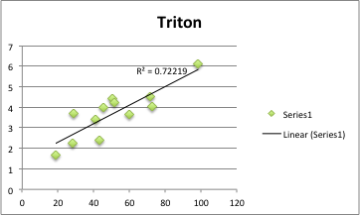
407 | 408 | 1000MS | TL
382 | 383 | 1000 | TR | 2013-11-13 | 18.7 | 1.663 | tested 11/21
272 |  | 400 | TR | 2013-11-13 | 28.1 | 2.235 | tested 11/21
31 |  | 2800MS | TR | 2013-11-18 | 43.3 | 2.38
364 | 365 | 1000 | TR | 2013-11-13 | 40.9 | 3.391
239 |  | 400 | TR | 2013-11-13 | 60 | 3.666
361 | 362 | 1000 | TR | 2013-11-13 | 28.5 | 3.688 | tested 11/21
23 |  | 2800 | TR | 2013-11-18 | 45.1 | 3.981
275 |  | 400 | TR | 2013-11-13 | 72.5 | 4.018
20 |  | 2800 | TR | 2013-11-18 | 51.7 | 4.234
370 | 371 | 1000 | TR | 2013-11-13 | 50.2 | 4.415
269 |  | 400 | TR | 2013-11-13 | 71.6 | 4.525
25 |  | 2800MS | TR | 2013-11-18 | 98.4 | 6.088
284 |  | 400 | TR
365 | 364 | 1000 | TR
371 | 370 | 1000 | TR
377 | 376 | 1000 | TR
383 | 382 | 1000 | TR
62 |  | 2800 | TR
65 |  | 2800 | TR
68 |  | 2800 | TR
71 |  | 2800 | TR
386 | 385 | 1000MS | TR
390 | 389 | 1000MS | TR
393 | 392 | 1000MS | TR
396 | 395 | 1000MS | TR
399 | 398 | 1000MS | TR
402 | 401 | 1000MS | TR
405 | 404 | 1000MS | TR
408 | 407 | 1000MS | TR
37 | 38 | 2800MS | TR
40 | 41 | 2800MS | TR
43 | 44 | 2800MS | TR
46 | 47 | 2800MS | TR

